Cover Page
Vaccination Week in the Americas 2025 26 April to 03 May
Annex 1. National Plan Tool
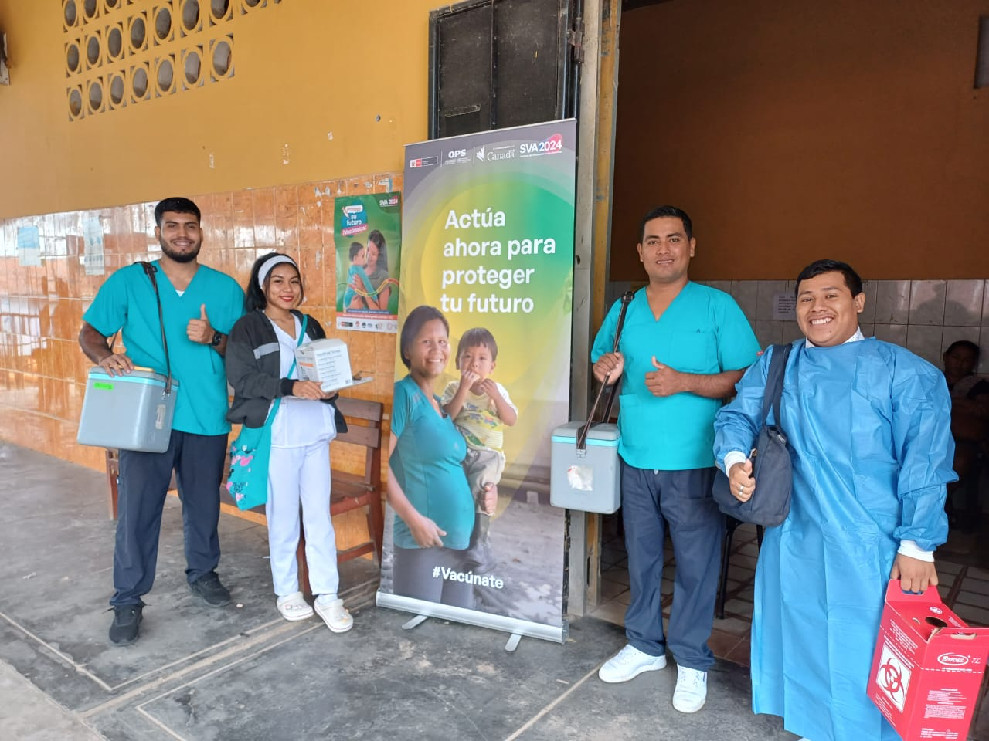

Country | Antigua and Barbuda
Name(s) of persons filling out this template
Email(s) of persons filling out this template

 | https://www.paho.org/vwa

 | @PAHO/WHO

Antigens
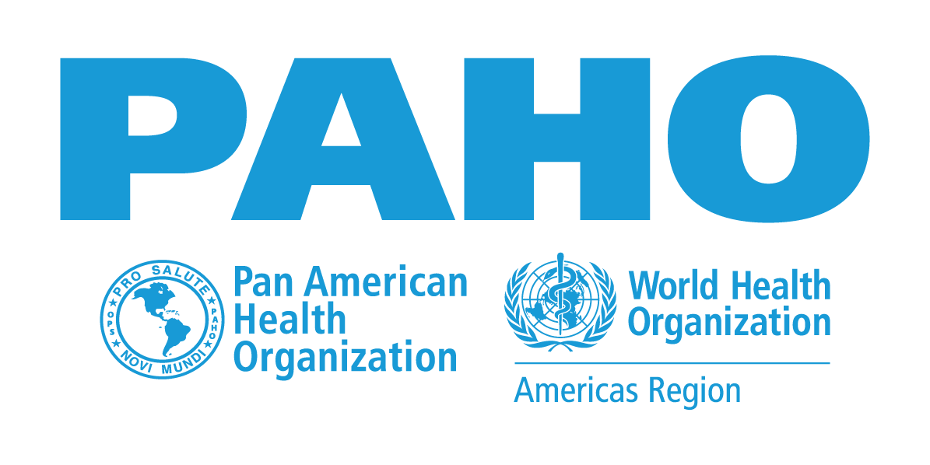 Vaccination Week in the Americas 2025 26 April to 03 May
Annex 1 - National Plan Report

Goals by Doses
INSTRUCTIONS * REPORT ONLY THE NUMBER OF DOSES PER ANTIGEN EXPECTED TO BE ADMINISTERED TO EACH TARGET POPULATION. * If the country uses a combined vaccine (e.g., Pentavalent), it is not necessary to repeat the information for each component of the vaccine (e.g., DTP and Hib and HepB). * If the country administers aN antigen that is not listed, enter data on doses administered in “Other” and detail the antigen used in the “Target Population” section. * Target Population refers to the group that will be vaccinated and not to the number of people vaccinated. * For HPV vaccine, please specify the target age group and sex to be vaccinated in the “Target Population” section.

Antigens | Hepatitis B | BCG | Pentavalent/Hexavalent | Polio (IPV) | Polio (OPV) | Rotavirus | Pneumococcus | Haemophilus influenzae type b (Hib) | Measles-Containing Vaccine | Yellow Fever | Influenza | Diphtheria, Tetanus, Pertussis (DTP) | Diphtheria Tetanus (<7 yrs.) (DT) | Tetanus Diphtheria (>7 yrs.) (Td) | Tdap | HPV | COVID-19 | Other (Varicella, Cholera, Meningococcal, Hep. A, etc.)
Number of Doses
Target Population

Comment/Explanation (if needed):

Goals by Zero-Dose / Under vaccinated children younger than 5 years old
 | Enter the estimate number of Zero-Dose children you plan on reaching. Zero-Dose Children are those younger than 5 who did not receive the first dose of the vaccine against diphtheria, tetanus, pertussis (DTP1). |  |  |  |  |  |  |  |  |  | Enter the estimate number of undervaccinated clidren you plan on reaching. Undervaccinated children are those who have not received the third dose of the vaccine against diphtheria, tetanus, pertussis (DTP3).

